HowToSortData
Click on the tab "All_Data" at the bottom of the workbook
Click on the filter funnel icon or go to 'Data' --> 'Filter Views'

Choose a pre-made Filter View (list of named choices) or click "Create new temporary filter view"

If you click "Create new temporary filter view"
Each column will have an icon you can click on to choose how you would like to filter the data

In the example below - Allie wanted to look at the sample data from samples she had collected
First we clicked on the filter icon in the Sampler column
Then chose 'clear' to deselect all options
Then chose Allie's name (check mark appears after selecting)
Finally, we then clicked 'Ok' to create a temporary Filter View
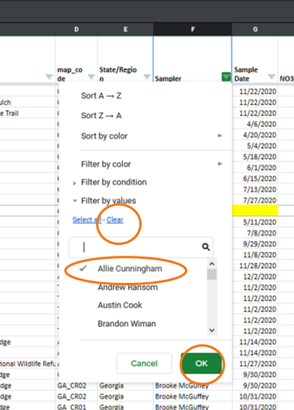

You can also sort values from low to high (A-->Z) or high to low (Z-->A) using the temporary filter method

To Exit Filter View mode, click on the 'X' in the right-hand corner of the data window

